Character
👤 Name: Dragonian Bard (Change Name) |  | 📜 Titles:
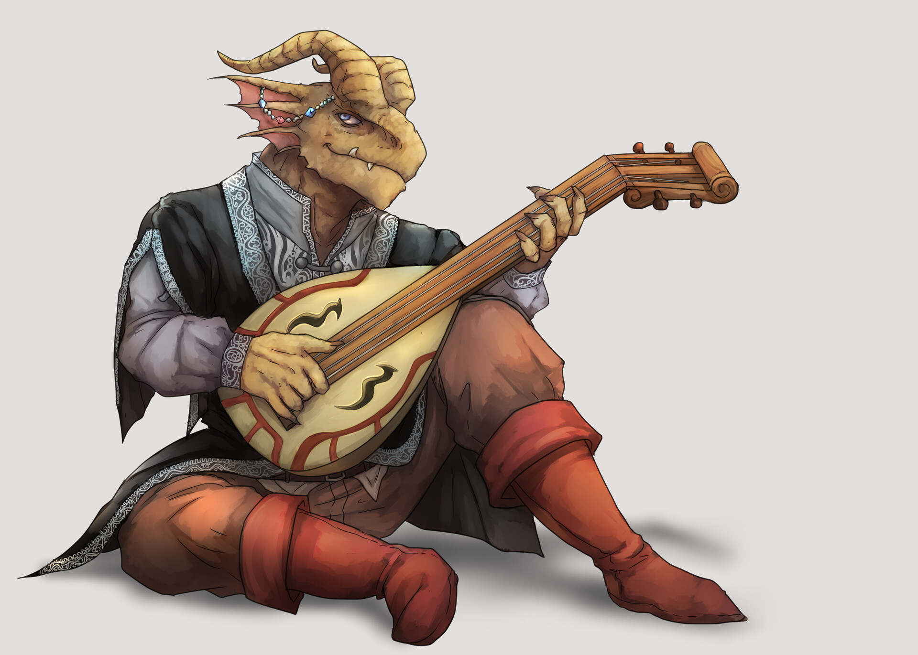
♀️♂️ Sex: 🧓👵 Age: 📈 Height: ⚖️ Weight: |  | 🧧 Guild 1: Rank: Completed Quests: - 🧧 Guild 2: Rank: Completed Quests: - 🧧 Guild 3: Rank: Completed Quests: -
⭐ Level: 200 | Total Perk Points: 100 | Entity Type: Draconic
🤝 Loyalty Score: | 🏰 Starter Town:
🧞‍♂️ Race: Mekanian Half Race: Dragonian |  | 🏹 Class: Bard Half Class: Brawler |  | HP-Taken | SP-Spent | Hunger-Spent | Thirst-Spent | Energy-Spent |  | DMG Calculator
⚔️ Attack: 219 | 🛡️ Defense: 219 | 🎯 Accuracy: 219 | 😇[P] Charisma: 5 |  | 0 | 0 | 0 | 0 |  | DMG multiplier: | 1
🤯[P] Wisdom: 5 | ❤️[P] Constitution: 78 | 🏃‍♀️[P] Evasion: 5 | 😈[P] Intimidation: 5 | Attack | Defense | Accuracy | Charisma |  |  | Flat DMG Add:
 |  | 🏊‍♀🏃‍♀️[P] Mobility: 15 |  | 0 | 0 | 0 | 0 |  |  | Base DMG:
❤️ HP: 609/609 |  | 🧪 SP: 609/609 |  | Wisdom | Constitution | Evasion | Intimidation |  |  | Calc DMG: | 0
🍗 Hunger: 219/219 |  | 💧 Thirst: 219/219 |  | 0 | 0 | 0 | 0
⚡ Energy: 219/219 |  | 🐟 Astrological Sign: Taurus
🎭 Alignment:
🧞‍♂️ Race Bonuses: Draconic: When in a party with 2 or more Draconic allies you and your Draconic allies gain X2 DEF +5 Mobility, +3 Constitution, Restricted Race: (Must complete the quest "Reviving Thundertail Falls" in Dragonscale Island Expansion to use this Race) Gain the "Dragon's Breath Power" Flaming Aura - When you are attacked or killed the enemy will take Burn 10,000 per round. Flame Ward - When "Flaming Aura" activates and the enemy is under the effect of Burn, You act under the effect of Haste ∞, and the enemy acts under the effect of Rampage ∞ as long as you are still alive. X4 Fire and Natural Attack Damage. Has dark-vision Immune to Fire and Chaos Damage.
Class Bonuses: Rank 6 Select 3 of any element (Excluding Zen) +5 mobility Enhanced Class Bonuses: Rank 9 in all Elements (excluding Zen) Half the SP cost for Physical, Melee, and Ranged Spells. Immune to damage from Natural Attacks. Add mobility to natural attacks. X4 Damage towards natural attacks.
Other Bonuses:
Resistances: Vulnerabilities:
Curses: |  | Tomes: | Diseases: |  | Damage Orb:

 |  |  |  |  | Spell (Counters):

Equipped Items
 | Name | Description | Type | Abilities
👑 (1) Head: |  |  |  |  |  |  |  |  |  |  |  | Head
📿 (1) Neck: |  |  |  |  |  |  |  |  |  |  |  | Neck
📿 (2) Neck: |  |  |  |  |  |  |  |  |  |  |  | Neck
📿 (3) Neck: |  |  |  |  |  |  |  |  |  |  |  | Neck
🎒(1) Shoulders |  |  |  |  |  |  |  |  |  |  |  | Shoulders
🧥 (1) Torso: |  |  |  |  |  |  |  |  |  |  |  | Torso
💪(1) Arms |  |  |  |  |  |  |  |  |  |  |  | Arms
🖐 (1) L. Hand: | Dragon Flute | A flute carved from dragon bone that exudes an enchanting aura when played. It is said that this flute was given as a gift to the dragonoids to signal peace between them and the dragons. | Instrument | , Acoustic DMG: +5000 ++Summons 1 of the following dragons with a d4 roll: Fire Dragon, Poison Dragon, Storm Dragon, Ancient Water Dragon, Level determined by dm/gm. +-one use per battle |  |  |  |  |  |  |  | Hand | FALSE | FALSE
🖐 (1) R. Hand: | Eagles Claw |  | Claw | DMG: +10000 ++Eagles Removal - 20% Chance to remove the target from battle. |  |  |  |  |  |  |  | Hand | FALSE | FALSE
💍 (1) Fingers: |  |  |  |  |  |  |  |  |  |  |  | Ring
💍 (2) Fingers: |  |  |  |  |  |  |  |  |  |  |  | Ring
💍 (3) Fingers: |  |  |  |  |  |  |  |  |  |  |  | Ring
💍 (4) Fingers: |  |  |  |  |  |  |  |  |  |  |  | Ring
💍 (5) Fingers: |  |  |  |  |  |  |  |  |  |  |  | Ring
💍 (6) Fingers: |  |  |  |  |  |  |  |  |  |  |  | Ring
💍 (7) Fingers: |  |  |  |  |  |  |  |  |  |  |  | Ring
💍 (8) Fingers: |  |  |  |  |  |  |  |  |  |  |  | Ring
💍 (9) Fingers: |  |  |  |  |  |  |  |  |  |  |  | Ring
💍 (10) Fingers: |  |  |  |  |  |  |  |  |  |  |  | Ring
👖 (1) Legs: |  |  |  |  |  |  |  |  |  |  |  | Legs
🥾 (1) Feet: |  |  |  |  |  |  |  |  |  |  |  | Feet

⚒ SUB CLASSES
Blacksmith | FALSE | Breeder | FALSE
Level: |  | Level:

Enchanter | FALSE | Crafter | FALSE
Level: |  | Level:

Alchemist | FALSE | Farmer | FALSE
Level: |  | Level:

Chef | FALSE | Miner | FALSE
Level: |  | Level:

Spira Guard | FALSE | Fisherman | FALSE
Rank: |  | Level:
Tier:
Wanted Board

Achievements | Title Equip | Notoriety Gained | Description | Bounty |  | 📜Quest Name |  | Description | Completed? | Type | Location
Welcome to The Land of Spira | FALSE
 | FALSE
 | FALSE
 | FALSE
 | FALSE
 | FALSE
 | FALSE
 | FALSE
 | FALSE
 | FALSE
 | FALSE
 | FALSE
 | FALSE
 | FALSE
 | FALSE
 | FALSE
 | FALSE
 | FALSE
 | FALSE
 | FALSE
 | FALSE
 | FALSE
 | FALSE
 | FALSE
 | FALSE
 | FALSE
 | FALSE
 | FALSE
 | FALSE
 | FALSE
 | FALSE
 | FALSE
 | FALSE
 | FALSE
 | FALSE
 | FALSE
 | FALSE
 | FALSE
 | FALSE
 | FALSE
 | FALSE
 | FALSE
 | FALSE
 | FALSE
 | FALSE
 | FALSE
 | FALSE
 | FALSE
 | FALSE
 | FALSE
 | FALSE
 | FALSE
 | FALSE
 | FALSE
 | FALSE
 | FALSE
 | FALSE
 | FALSE
 | FALSE

Leveler
 | Base Rolled Stats | Racial Bonus | Class Bonus | Human Check | Half Race | Race: | Mekanian | Half Class | Class: | Bard
Attack | 20 |  |  | FALSE | TRUE | Half Race: | Dragonian | TRUE | Half Class: | Brawler
Defense | 20 |  |  |  |  |  |  |  | Enhanced Class: | Master Bard
Accuracy | 20 |  |  | Starting Town: |  |  | Spell Slots Number: | 6 | Enhanced Half Class: | Skilled Fighter
HP | 20 |  |  | Character Name: | Dragonian Bard (Change Name) |  |  |  | Select Element1: | Fire
SP | 20 |  |  | Sex: |  |  | Astrological Sign: | Taurus | Select Element2: | Water
Hunger | 20 |  |  | Age: |  |  | Ability: | The Bull | Select Element3: | Storm
Thirst | 20 |  |  | Height: |  |  | Description
Energy | 20 |  |  | Weight: |  |  | During each of your turns in battle, you get 1 additional weapon attack as long as you attacked with a weapon. |  | Time Spell Rank:
 |  |  |  | Alignment:

Load
Save
 | Level | Perk Points Total |  | Damage Orb (0/1): |  | Resistances: |  | DB ID: | 1mNoojYCRU_5eQ4skcH3ywN5n3JMKPeua1AFji0FLWdI
 | 200 | 100 |  | Spell (Counters): |  | Vulnerabilities:
 |  | 100/100 |  | Other Bonuses: |  | Loyalty Score: |  |  | Beta_V2-2
 |  | Free Points:0 |  | Creature Type Override:

 | Attack | Defense | Accuracy | Charisma | Wisdom | Constitution | Evasion | Intimidation | Mobility
 | 219 | 219 | 219 | 5 | 5 | 75 | 5 | 5 | 5
 |  |  | Bonus:
 |  |  | Total: | 5 | 5 | 78 | 5 | 5 | 15

 | HP | SP | Hunger | Thirst | Energy |  | Faction: | The Guardians of The Forge
 | 609 | 609 | 219 | 219 | 219 |  | Abilities: | Burning Might - Burn damage dealt to enemies is doubled.
 |  |  |  |  |  |  |  | Forged in Fire. - Forged weapons deal an additional X2 damage.
 |  |  |  |  |  |  |  | Unbreaking Steel - The first time you attempt a forge roll that fails it does not fail once per forge.

 | Equipment Def Add | Equipment Atk Add | Equipment Acc Add | Equipment HP Add | Equipment SP Add | Equipment Hung Add | Equipment Thirst Add | Equipment Energy Add
Head
Neck 1
Neck 2
Neck 3
Shoulders
Torso
Arms
L Hand
R Hand
Fingers 1
Fingers 2
Fingers 3
Fingers 4
Fingers 5
Fingers 6
Fingers 7
Fingers 8
Fingers 9
Fingers 10
Legs
Feet

 | Tomes
Element | Enabled | Rank
Fire: | FALSE
Water: | FALSE
Storm: | FALSE
Earth: | FALSE
Light: | FALSE
Dark: | FALSE
Spirit: | FALSE
Order: | FALSE
Chaos: | FALSE
Nature: | FALSE
Physical: | FALSE
Melee: | FALSE
Ranged: | FALSE
Stasis: | FALSE
Twilight: | FALSE
Voodoo: | FALSE
Blood: | FALSE
Delta: | FALSE
Zen: | FALSE
Time: | FALSE
Astral: | FALSE
Celestial: | FALSE
Acoustic: | FALSE

